Introduction

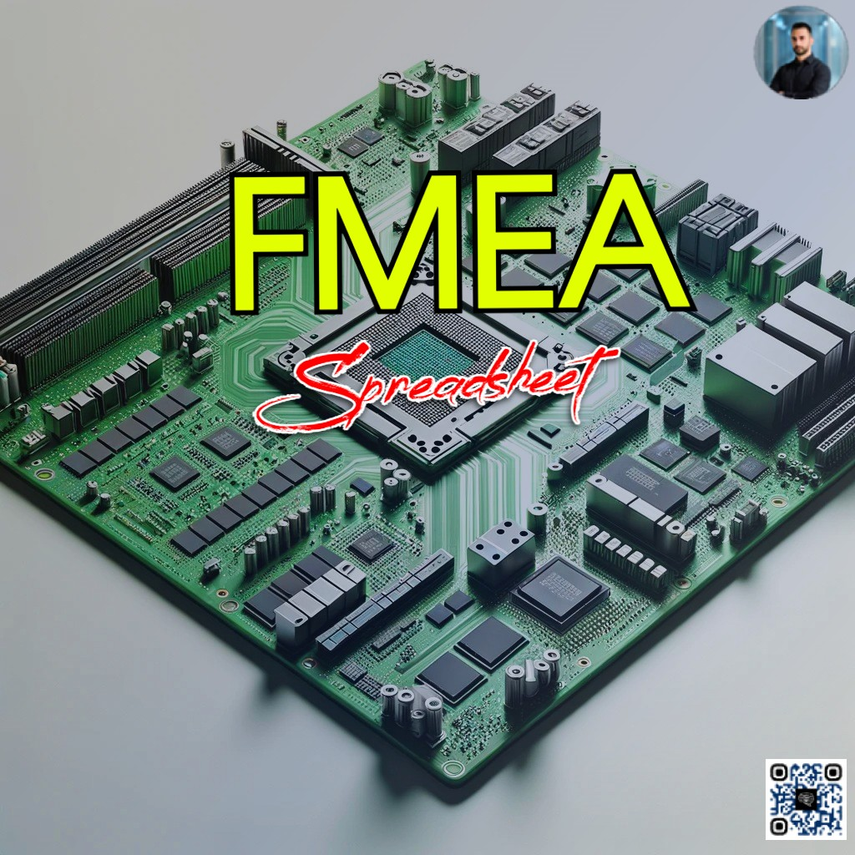

FMEA_SINGLE BOARD EXAMPLE
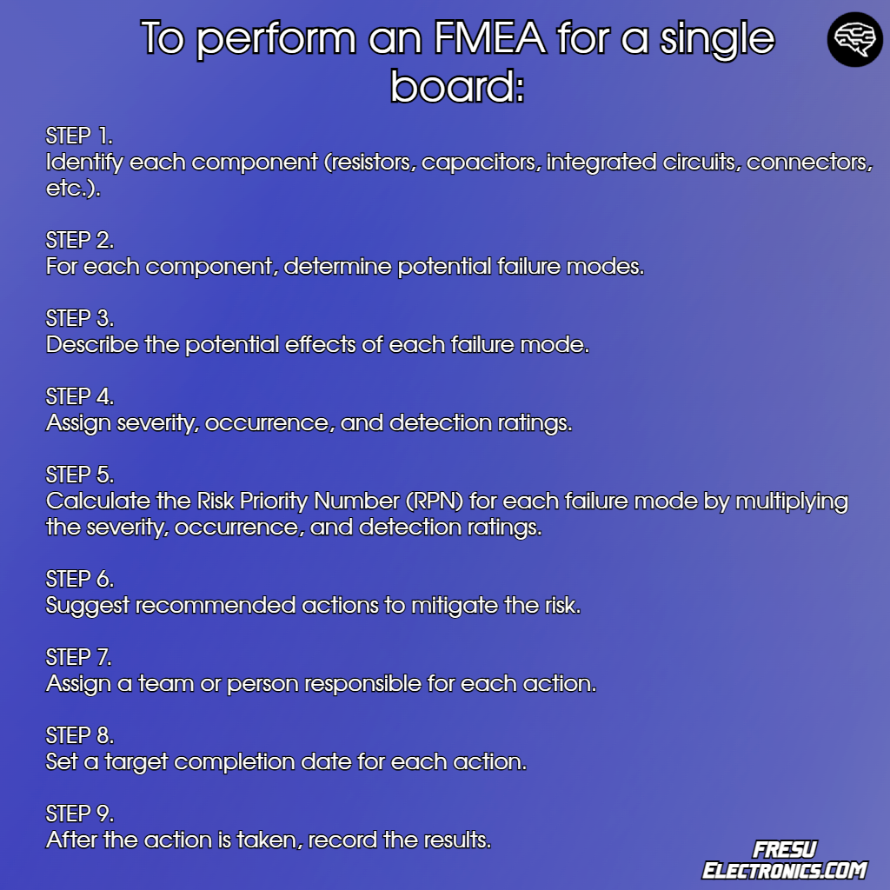
Component | Type | Potential Failure Mode | Potential Effects of Failure | Severity (1-10) | Potential Causes | Occurrence (1-10) | Current Controls | Detection (1-10) | RPN (S x O x D) | Recommended Actions | Responsibility | Target Completion Date | Action Results
Resistor R1 | SMT | Overheating | Increased noise in signal path | 4 | Overload due to design error | 3 | Design review and testing | 5 | 60 | Redesign circuit to reduce load | Design Team | MM/DD/YYYY | Redesign completed
Capacitor C1 | Electrolytic | Leakage | Signal distortion, potential damage to board | 6 | Aging or overheating | 2 | Periodic testing | 6 | 72 | Implement accelerated life testing | Quality Control | MM/DD/YYYY | Life test protocol in place
IC U2 | Digital | Latch-up | System crash | 8 | Power spike | 4 | ESD and latch-up protection circuitry | 4 | 128 | Improve power regulation and protection | Circuit Eng. | MM/DD/YYYY | Power regulation improved
Connector J3 | USB | Loss of connection | Data transfer failure | 5 | Mechanical stress, corrosion | 5 | Connector selection and testing | 4 | 100 | Revise connector specs and test protocols | Design Team | MM/DD/YYYY | Improved connectors in use
Power Supply PS1 | Linear | Voltage drop | Underperformance of board functions | 7 | Inadequate power supply rating | 3 | Check power ratings and thermal dissipation | 6 | 126 | Upgrade to a higher rated power supply | Power Eng. | MM/DD/YYYY | Upgraded power supply installed
Transistor T1 | Bipolar | Amplification failure | Sensor signal not detected | 6 | Incorrect biasing | 3 | Circuit simulation | 5 | 90 | Review and optimize bias circuits | Design Team | MM/DD/YYYY | Biasing issue resolved
Diode D1 | Zener | Reverse breakdown | Voltage regulation failure | 7 | Surge current | 4 | Surge current testing | 5 | 140 | Install additional surge protection | Quality Control | MM/DD/YYYY | Additional surge protection in place
Oscillator X1 | Quartz | Drift in frequency | Timing errors in communication | 7 | Aging, temperature variation | 2 | Temperature control, testing | 5 | 70 | Implement temperature compensation | Design Team | MM/DD/YYYY | Temperature compensation added

FMEA_MULTIPLE_BOARD_EXAMPLE
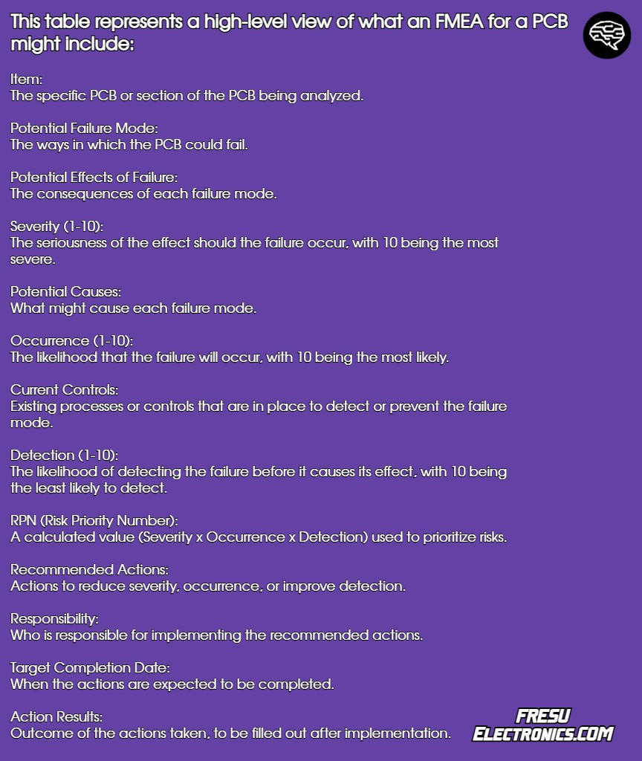
Item | Potential Failure Mode | Potential Effects of Failure | Severity (1-10) | Potential Causes | Occurrence (1-10) | Current Controls | Detection (1-10) | RPN (S x O x D) | Recommended Actions | Responsibility | Target Completion Date | Action Results
PCB1 | Short Circuit | Loss of functionality | 9 | Improper soldering | 4 | Solder paste inspection | 6 | 216 | Review soldering process | Eng. Team | MM/DD/YYYY | Improved solder joint inspection
PCB2 | Open Circuit | Intermittent operation | 7 | Component misalignment | 3 | Automated optical inspection | 5 | 105 | Improve component placement | Production | MM/DD/YYYY | Enhanced placement accuracy
PCB3 | Component Failure | System shutdown | 8 | Overheating | 2 | Thermal analysis | 4 | 64 | Implement heat sinks | Design Dept. | MM/DD/YYYY | Heat sinks installed
PCB4 | Signal Integrity Issues | Data corruption | 6 | Crosstalk | 5 | Signal integrity simulation | 7 | 210 | Redesign trace layout | Eng. Team | MM/DD/YYYY | Trace layout optimized
PCB5 | Power Supply Failure | No power to system | 10 | Voltage spikes | 3 | Voltage regulation check | 6 | 180 | Install surge protection | Eng. Team | MM/DD/YYYY | Surge protectors installed

SEVERITY
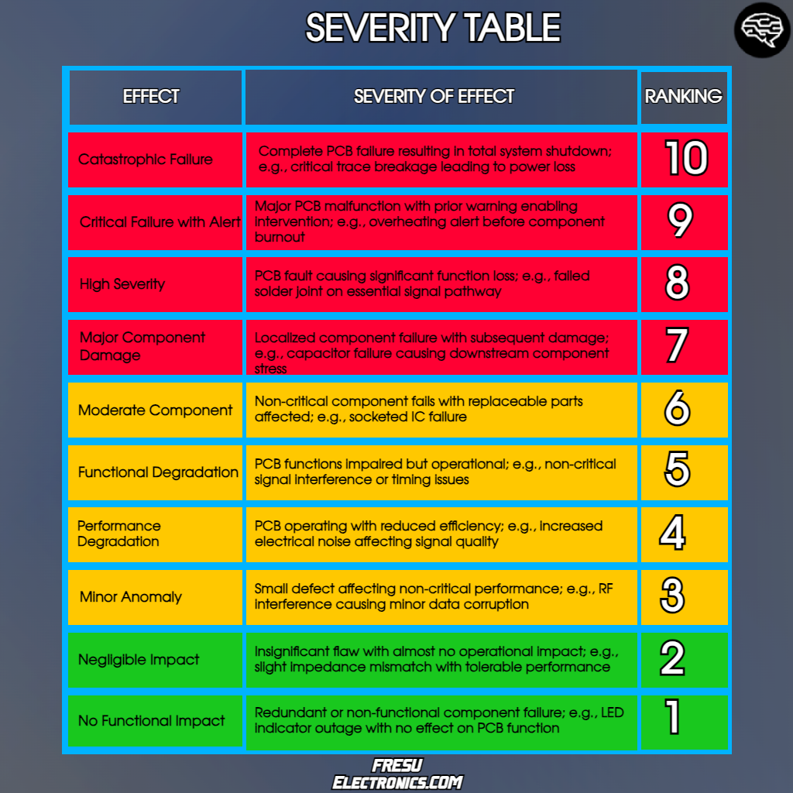

PROBABILITY
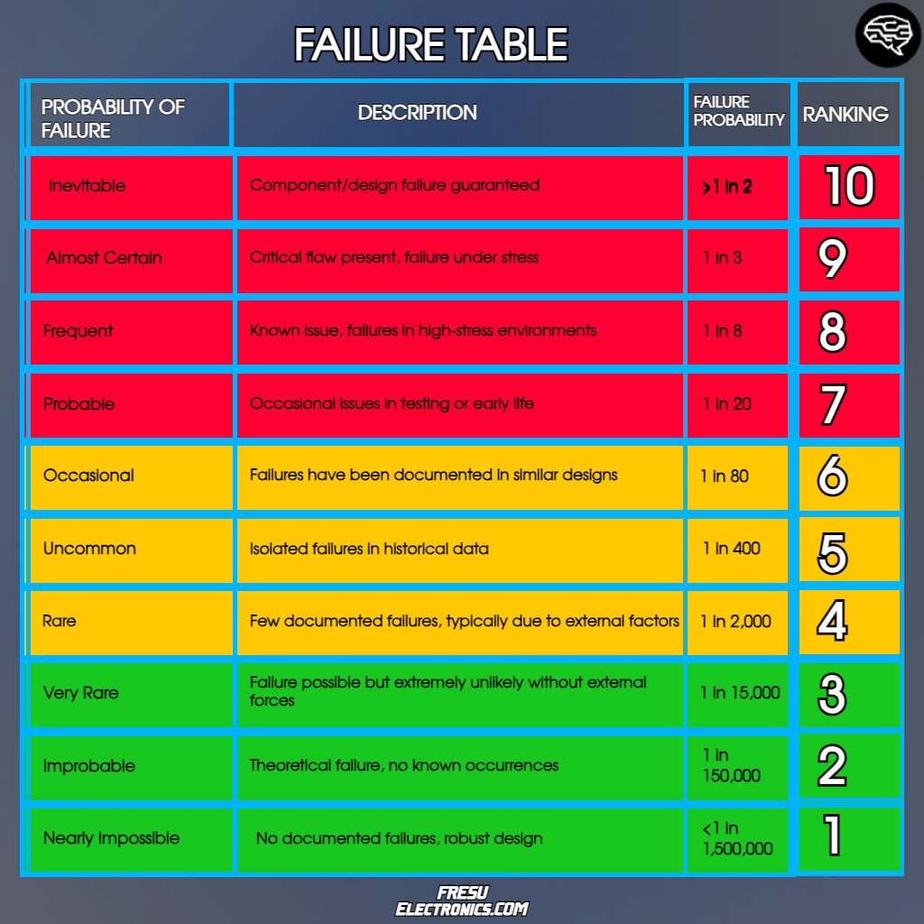

DETECTABILITY
